Outcomes Based on Goals
Goal | Number Successful | Number Failed | Number Canceled | Total Projects (successful+failed+canceled) | Percentage Successful | Percentage Failed | Percentage Canceled
Less than 1000 | 141 | 45 | 0 | 186 | 76% | 24% | 0%
1000 to 4999 | 388 | 146 | 0 | 534 | 73% | 27% | 0%
5000 to 9999 | 93 | 76 | 0 | 169 | 55% | 45% | 0%
10000 to 14999 | 39 | 33 | 0 | 72 | 54% | 46% | 0%
15000 to 19999 | 12 | 12 | 0 | 24 | 50% | 50% | 0%
20000 to 24999 | 9 | 11 | 0 | 20 | 45% | 55% | 0%
25000 to 29999 | 1 | 4 | 0 | 5 | 20% | 80% | 0%
30000 to 34999 | 3 | 8 | 0 | 11 | 27% | 73% | 0%
35000 to 39999 | 4 | 2 | 0 | 6 | 67% | 33% | 0%
40000 to 44999 | 2 | 1 | 0 | 3 | 67% | 33% | 0%
45000 to 49999 | 0 | 1 | 0 | 1 | 0% | 100% | 0%
Greater than 50000 | 2 | 14 | 0 | 16 | 12.5% | 87.5% | 0%

Outcomes of Plays Based on Goals
 | Percentage Successful | Percentage Failed | Percentage Canceled
Less than 1000 | 76% | 24% | 0%
1000 to 4999 | 73% | 27% | 0%
5000 to 9999 | 55% | 45% | 0%
10000 to 14999 | 54% | 46% | 0%
15000 to 19999 | 50% | 50% | 0%
20000 to 24999 | 45% | 55% | 0%
25000 to 29999 | 20% | 80% | 0%
30000 to 34999 | 27% | 73% | 0%
35000 to 39999 | 67% | 33% | 0%
40000 to 44999 | 67% | 33% | 0%
45000 to 49999 | 0% | 100% | 0%
Greater than 50000 | 12.5% | 87.5% | 0%

Outcomes based on Launch Date
Outcomes of Theater Campaigns Based on Launch Date
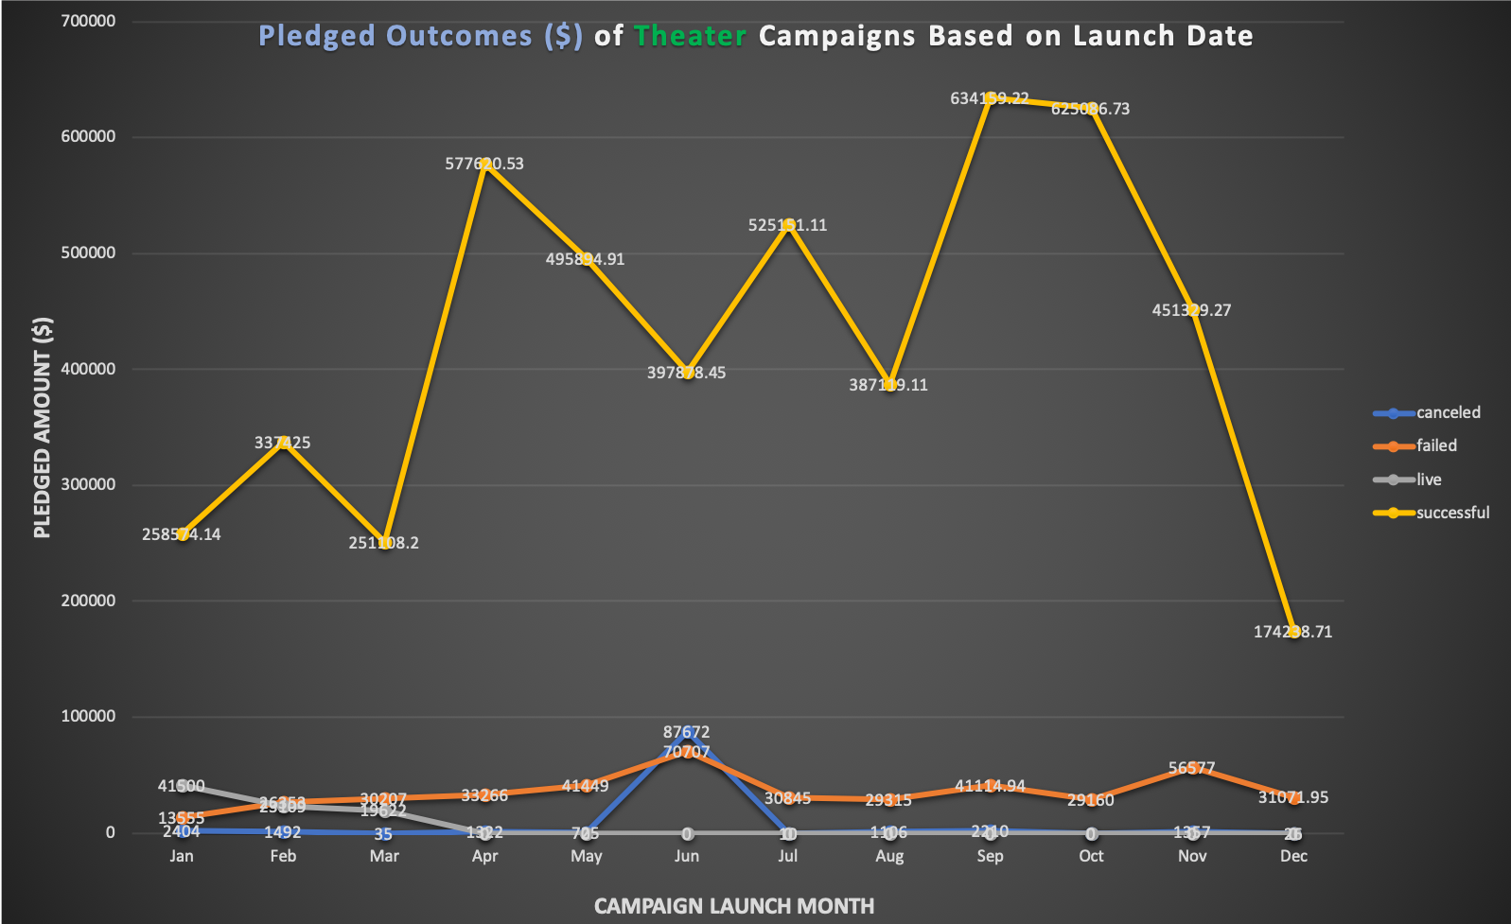
Parent Category | theater
Subcategory | (All)

Count of outcomes | Column Labels
Row Labels | canceled | failed | live | successful | Grand Total | Successful %
Jan | 7 | 33 | 2 | 56 | 98 | 57%
Feb | 3 | 39 | 8 | 71 | 121 | 59%
Mar | 3 | 33 | 14 | 56 | 106 | 53%
Apr | 2 | 40 | 0 | 71 | 113 | 63%
May | 3 | 52 | 0 | 111 | 166 | 67%
Jun | 4 | 49 | 0 | 100 | 153 | 65%
Jul | 1 | 50 | 0 | 87 | 138 | 63%
Aug | 4 | 47 | 0 | 72 | 123 | 59%
Sep | 4 | 34 | 0 | 59 | 97 | 61%
Oct | 0 | 50 | 0 | 65 | 115 | 57%
Nov | 3 | 31 | 0 | 54 | 88 | 61%
Dec | 3 | 35 | 0 | 37 | 75 | 49%
Grand Total | 37 | 493 | 24 | 839 | 1393 | 60%

 |  |  |  |  |  |  | Observation:
 |  |  |  |  |  |  | 1. Based on the launch date, May had the most number of successful campaigns and December had the least. It may indicate May can be a good month to launch theater types of campaigns.
 |  |  |  |  |  |  | 2. But if we measure success based on pledged amount instead of number of campaigns, then, the campaigns held in September and October generated the most total funding. It's worth to look into more details about the types of successful campaigns held in these two months.

 |  |  |  |  |  |  | Limitation:
 |  |  |  |  |  |  | May

